1. Title Page
A4. Customer Analysis Report

Project Name: Customer Analysis
Date: September 10, 2022
Analyst Name: Daniel Baig

Contents:
Population Flow
Consistency checks
Wrangling steps
Column derivations
Visualizations
Recommendations

2. Population Flow
Title page

Population flow

Exclusion flag
Condition: max_order < 5
Observations to be removed: 1,440,295
Final total count of order_products_all: 30,964,564

Orders_products_combined
Orders_products_merged
Orders_products_all

Total: 32,404,859
Total: 32,434,489
Total: 32,404,859

1.) The grey boxes in the first row of the population flow represent the original data sets as they were when you downloaded them. In the Total fields you need to add the count of the rows when you imported the data set into Jupyter.
2.) The second row of boxes (colored) represents the data sets after you manipulated them, e.g., removed missing values and duplicates. In the Total fields you need to add the count of the rows after conducting these operations. This offers a visual overview of how the data flows throughout the data consistency checks.
3.) The third row, where also the arrows are colored, represents the merges you performed between the datasets. In the Total fields you need to add the count of the rows in the merged datasets, so that you end up with the final dataset (in the red box). Keep in mind the final dataset should be without exclusions (based on the exclusion flag).

3. Consistency checks
 |  |  |  | Title page
Consistency checks

Dataset | Missing values | Missing values treatment | Duplicates
orders | 206,209 missing values in 'days_since_prior _order | new flag variable 'first_order' created to address missing values to account for missing values (a first time order will not have a 'prior order'

products | 16 missing values in 'product_name' | missing values removed with new dataframe
 |  |  | 5 duplicate rows were removed

orders_products_prior | n/a | n/a | n/a

customers | 11259 missing values in 'first_name' | checked datatypes; missing values were the result of mixed data types; converted to 'str' | n/a

4. Wrangling steps
 |  |  |  | Title page
Wrangling steps

Columns dropped | Columns renamed | Columns' type changed | Comment/Reason
'eval_set' |  |  | not needed, removed for space/speed
 | 'order_dow' |  | changed to 'order_day_of week' for clarity
 |  | department_id | transposed for usability with other data; create data dictionary
 |  | user_id' | changed from 'int' to 'str' datatype
 | 'order_number' |  | changed to 'user_order_number' for clarity
'unnamed:0_x' |  |  | not needed, removed for space/speed
'unnamed:0.1' |  |  | not needed, removed for space/speed
'unamed:0.y' |  |  | not needed, removed for space/speed
'_merge' |  |  | not needed, removed for space/speed
 | 'Surnam' |  | changed to 'last_name' for clarity
 | 'Gender' |  | changed to 'gender' for clarity/name consistency
 | 'STATE' |  | changed to 'state' for clarity/name consistency
 | 'Age' |  | changed to 'age' for clarity/name consistency
 | 'n_dependents' |  | changed to 'number_of_dependents' for clarity/name consistency
 | 'fam_status' |  | changed to 'family_status' for clarity/name consistency
'first_name' |  |  | removed for privacy issues; with other information this personally identifiable information is not required to answer the questions asks of this report
last_name' |  |  | removed for privacy issues; with other information this personally identifiable information is not required to answer the questions asks of this report

5. Column derivations
 |  |  |  | Title page

Column derivations and aggregations

In this tab you should add tables below that the frequences of flags/label variables that you produced after deriving them. NB: don't do this for continuous variables, only for flags.
Dataset | New column | Column/s it was derived from | Conditions
orders_wrangled.csv | first_order | days_since_prior_order | days_since_prior_order is Null, then "Yes"
orders_products_merged.pkl | busiest_day | orders_day_of_week | busiest day: if orders_day_of_week == 0 least busy: if orders_day_of_week == 4 regular busy: else orders_day_of_week
 | busiest_days | orders_day_of_week | busiest day: if orders_day_of_week in [0,10] least busy day: if orders_day_of_week in [4,3] regular busy day: else orders_day_of_week
 | busiest_hours | order_hour_of_day | busiest hours: if order_hour_of_day in [10,11,14,15] least busy hours: if order_hour_of_day in [3,4,2,5] regular busy hours: else orders_day_of_week
 | price_range_loc | prices | low range product: prices <= 5 mid range product: 15 <= prices < 5 high range product: price > 5
orders_products_merged_days_hours_update.pkl | max_order | user_id, user_order_number | maximum value for loyalty flag; activity flag
 | loyalty_flag | max_order | loyal customer: max_order > 40 regular customer: 10 < max_order <= 40 new customer: max_order =< 10
 | mean_order_price | user_id, prices | mean value for spending flag
 | spending_flag | mean_order_price | big spender: mean_order_price >= 10 low spender: mean_order_price < 10
 | median_prior_order | user_id, days_since_prior_order | median value for frequency flag
 | frequency_flag | median_prior_order | non-frequent customer: median_prior_order > 20 frequency customer: 10 < median_prior_order <= 20 frequent customer: median_prior_order <= 10
order_products_ALL | geographic_region | state | West: Arizona, Colorado, Idaho, Montana, Nevada, New Mexico, Utah, Wyoming, Alaska, California, Hawaii, Oregon, Washington Northeast: Connecticut, Maine, Massachusetts, New Hampshire, Rhode Island, Vermont, New Jersey, New York, and Pennsylvania Midwest: Illinois, Indiana, Michigan, Ohio, Wisconsin, Iowa, Kansas, Minnesota, Missouri, Nebraska, North Dakota, and South Dakota South: Delaware; Florida; Georgia; Maryland; North Carolina; South Carolina; Virginia; Washington, D.C., West Virginia, Alabama, Kentucky, Mississippi, Tennessee, Arkansas, Louisiana, Oklahoma, and Texas
 | activity (flag) | max_order | low activity: max_order < 5 regular activity: max_order >= 5
 | age_group (flag) | age | 18-24 years: age <= 24 25 - 35 years: 25 =< age < 35 35 - 44 years: 35 =< age < 45 45 - 54 years: 45 =< age < 55 55 - 64 years: 55 =< age < 65 65+ years: 65 =< age
 | income_group (flag) | income | very low: income < 20000 low : 20000 =< income < 45000 midle: 45000 =< income < 140000 upper middle: 140000 =< income < 150000 high: 150000 =< income < 200000 very high: 200000 =< income
 | dependent_group (flag) | number_of_dependents | number_of_dependents = 0 number_of_dependents > 0
 | order_time_group | order_hour_of_day | early birds: hours = 4, 5, 6, 7 morning: 8, 9, 10, 11 afternoon: 12, 13, 14, 15, 16 evening: 17, 18, 19, 20, 21 night owls: 22, 23, 0, 1, 2, 3
 | new_parents | user_id, department_id, babies | new parent: if new_parents = "yes" not new parent: else new parents

6. Recommendations
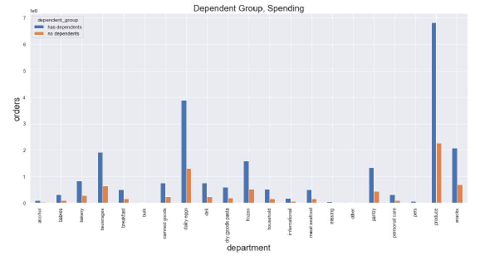
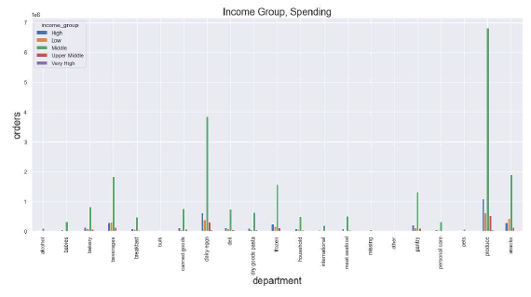
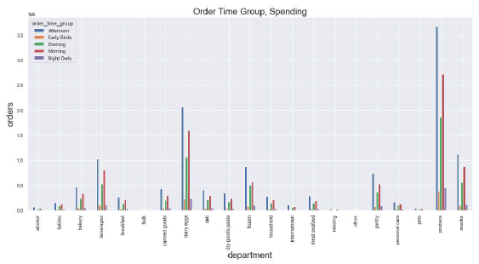
 |  |  |  |  |  |  |  |  |  |  |  |  |  |  |  | Title page

Recommendations

In this tab you should include any recommendations you would made to Instacart in terms of their marketing strategy based on the questions posed in the brief. Every key question has been covered in the Tasks of the Exercises - here you need to add an item - a visualization or table/crosstab that is showing the answer in the data, accompanied by a comment from you. Please, list the questions below and add the answer underneath.

 | QUESTIONS AND RECOMMENDATIONS [QUESTIONS AND ANSWERS & CHARTS BELOW]:
1 | What the busiest days of the week and hours of the day are (i.e., the days and times with the most orders) in order to schedule ads at times when there are fewer orders.
 | Based on the charts below, the busiest days of the week are Monday and Tuesday; the least busy are Thursday and Friday; while a look at order frequency shows that the busiest hours to be between 9am and 4pm.
2 | Are there particular times of the day when people spend the most money, as this might inform the type of products they advertise at these times.
 | As part of our analysis, we initially developed a line chart to understand customer spend on an hourly basis; however, we were later asked to update our analysis to remove customers that management deemed to be infrequent (removing customers with less than five orders). Based on our updated analysis, we found that despite some wider variations during the morning hours, on average there was not any noticeable time when people might spend the most money.
3 | Instacart has a lot of products with different price tags. Marketing and sales want to use simpler price range groupings to help direct their efforts.
 | In processing this request, we first did some exploratory analysis to identify unusually high priced outliers (items priced: 99,999), which revealed these bad data points and were removed, resulting in the plot chart below. We then created groupings categorizing products into three different price groups based on price ["Low range product": prices <= 5; "Mid range product": 15 <= prices < 5; and "High Range Product" high range product: price > 5. The chart below demonstrates more manageable data and shows "low range products" tend to be ordered more than the other groups.
4 | Are there certain types of products that are more popular than others? The marketing and sales teams want to know which departments have the highest frequency of orders.
 | Based on order data, coupled with the 'data dictionary' which provides us with department names, we observe that the departments with the highest orders are "produce"; "dairy/eggs" and "snacks".
5 | Are there different types of customers in their system; how their ordering behaviors differ?
 | While the overall data allows for general data analysis; we merged several dataframes together and found that we were able to develop new categories to essentially define 'customer type' based on their ordering data; in particularly, we created several new groups/customer habits, including: 'Spending amount'; 'Customer ordering frequency'; 'Customer loyalty'; aggregated 'Age Groups', 'Income Groups', 'Dependent Groups' [do they have dependents?], 'New Parent Groups' [do they buy from the "babies" department], and 'Geographic Regions' ,etc. We analyzed several different cross sections (See tables below) and charts for the remaining questions/recommendations.
6 | What’s the distribution among users in regards to their brand loyalty (i.e., how often do they return to Instacart)?
 | The charts shows the distribution of loyal customers based on number of orders, using the 'Customer loyalty' grouping developed based on number of orders, using the following parameters: 'Loyal customer': max_order > 40; 'Regular customer': 10 <max_order <= 40; 'New customer': max_order =< 10. These groupings revealed that regular (more than 10 , less than 40 orders) over half of the population.
7 | Are there differences in ordering habits based on a customer’s loyalty status?
 | Using the 'crosstab' function in python, we can compare 'Customer loyalty' against other types of data for example, we can examine purchases made across different grocery departments to see what the loyalty groups are buying; we can also do more detailed analysis, for example, comparing 'Customer loyalty' [how many orders] versus 'Custom frequency' [how many days pass in between orders] to identify more select groups, but other examples as well.
8 | Are there differences in ordering habits based on a customer’s region?
 | We aggregated customers' locations, using 'state' data including D.C. [51 'states' total], into four different geographic locations: Northeast [9], Midwest [12], South [17], and West [13]; While the South appears to have the most orders, it is also because it represents the most states; however, having these 'geographic region' groups we can analyze different customer habits, including 'Customer loyalty'; 'Customer frequency'; and 'Customer spending' to identify high level similarities and difference between customers based on their location.
9 | Is there a connection between age and family status in terms of ordering habits?
 | Based on the line chart below that plots age versus number_of_dependents; the fluctuations of this chart suggests that there is a low relationship between these two factors in terms of a connection with respect to ordering habits and would not be worth exploring further at this time.
10 | What different classifications does the demographic information suggest? Age? Income? Certain types of goods? Family status?
 | We can understand a lot about demographic information based on both tables and charts. Please note: similar 'geographic locations' certain demographic groups are not distributed in buckets of equal value; for example, income_groups were based paraments from the US Census Bureau, so we always need to be mindful about how we chose to 'group' customers. Nevertheless, we observe the following: - Income status: Individuals that fall into the 'middle income' group [middle: $45000 =< income < $140000] represents the largest group; Drilling deeper in the income category we observe that individuals with an income 100,000 make up a large amount of this customer base. - Dependent status: We see that customers with dependents make up about 3/4 of our customer bases [however, we need to be mindful of the limitations of data -- for example, a married couple may both have Instacart accounts which could skew the data/double-counting dependents. - New parent status: While dependents can come in different ages [such as '18 and under' for children and perhaps '65 and older' for older individuals who may be taken care of my a family member], we can drill to more specific details and identify which customers new parents based on their purchase of products that fall within the "babies" department category, which we have done and see that about 1/3 of customers have purchase "babies" products and are most likely new parents. - Time order placed: This grouping classifies when customers tend to place their Instacart orders divided into 5 different groups, that we could use to target and further identify what products they are buying in these time range.
11 | What differences can you find in ordering habits of different customer profiles?
 | We can use different customer profiles/groups to make different observations; for example; in the charts we can look at different groups, such as 'dependents', 'income' and 'order time' and cross reference their orders with the type of products they purchase using grocery "department" data to understand what certain customer types are buying from a product/department level, to understand different spending behavior based their orders. While more granular searches and analysis can be run, the volume of the data has creating some crunching/processing issues; but it is possible to find a broad assortment of ordering habits using the crosstab feature.

1 | What the busiest days of the week and hours of the day are (i.e., the days and times with the most orders) in order to schedule ads at times when there are fewer orders.
 | Based on the charts below, the busiest days of the week are Monday and Tuesday; the least busy are Thursday and Friday; while a look at order frequency shows that the busiest hours to be between 9am and 4pm.

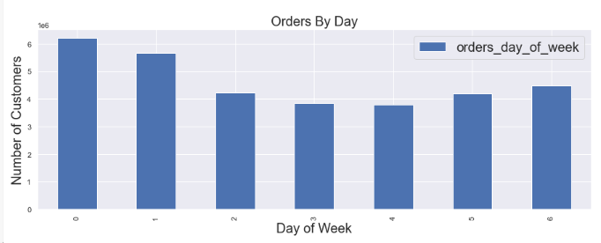
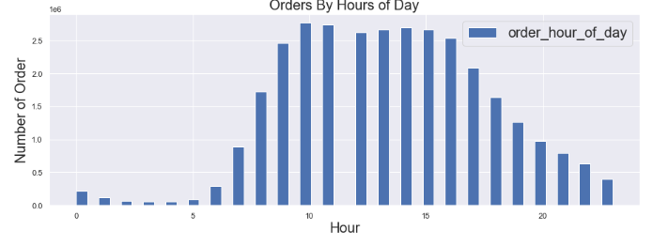
 |  |  |  |  |  |  |  | orders day of week |  |  |  |  |  |  |  |  |  |  | order_hour_of_day
 |  |  |  |  |  |  | Mon [0] | 6204182 |  |  |  |  |  |  |  |  |  |  | 0 | 218769
 |  |  |  |  |  |  | Tues [1] | 5660230 |  |  |  |  |  |  |  |  |  |  | 1 | 115700
 |  |  |  |  |  |  | Wed [2] | 4213830 |  |  |  |  |  |  |  |  |  |  | 2 | 69375
 |  |  |  |  |  |  | Thurs [3] | 3840534 |  |  |  |  |  |  |  |  |  |  | 3 | 51281
 |  |  |  |  |  |  | Fri [4] | 3783802 |  |  |  |  |  |  |  |  |  |  | 4 | 53242
 |  |  |  |  |  |  | Sat [5] | 4205791 | 4205791 |  |  |  |  |  |  |  |  |  | 5 | 87961
 |  |  |  |  |  |  | Sat [6] | 4496490 | 4496490 |  |  |  |  |  |  |  |  |  | 6 | 290493
 |  |  |  |  |  |  |  |  |  |  |  |  |  |  |  |  |  |  | 7 | 891054
 |  |  |  |  |  |  |  |  |  |  |  |  |  |  |  |  |  |  | 13 | 2660954
2 | Are there particular times of the day when people spend the most money, as this might inform the type of products they advertise at these times. |  |  |  |  |  |  |  |  |  |  |  |  |  |  |  |  |  | 14 | 2689136
 | As part of our analysis, we initially developed a line chart to understand customer spend on an hourly basis; however, we were later asked to update our analysis to remove customers that management deemed to be infrequent (removing customers with less than five orders). Based on our updated analysis, we found that despite some wider variations during the morning hours, on average there was not any noticeable time when people might spend the most money. |  |  |  |  |  |  |  |  |  |  |  |  |  |  |  |  |  | 15 | 2662144
 |  |  |  |  |  |  |  |  |  |  |  |  |  |  |  |  |  |  | 16 | 2535202
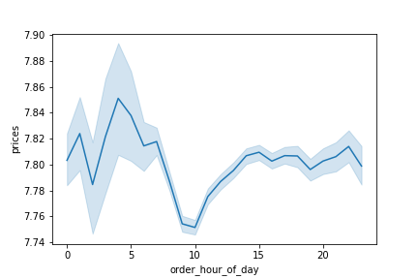
 | Initial Analysis, includes infrequent customers (orders < 5) |  |  |  |  |  | Updated Analysis, excludes infrequent customers (orders < 5) |  |  |  |  |  |  |  |  |  |  |  | 17 | 2087654
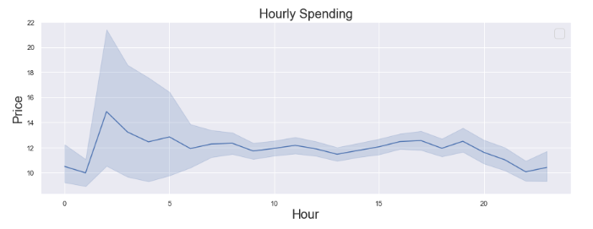
 |  |  |  |  |  |  |  |  |  |  |  |  |  |  |  |  |  |  | 18 | 1636502
 |  |  |  |  |  |  |  |  |  |  |  |  |  |  |  |  |  |  | 19 | 1258305
 |  |  |  |  |  |  |  |  |  |  |  |  |  |  |  |  |  |  | 20 | 976156
 |  |  |  |  |  |  |  |  |  |  |  |  |  |  |  |  |  |  | 21 | 795637
 |  |  |  |  |  |  |  |  |  |  |  |  |  |  |  |  |  |  | 22 | 634225
 |  |  |  |  |  |  |  |  |  |  |  |  |  |  |  |  |  |  | 23 | 402316

3 | Instacart has a lot of products with different price tags. Marketing and sales want to use simpler price range groupings to help direct their efforts.
 | In processing this request, we first did some exploratory analysis to identify unusually high priced outliers (items priced: 99,999), which revealed these bad data points and were removed, resulting in the plot chart below. We then created groupings categorizing products into three different price groups based on price ["Low range product": prices <= 5; "Mid range product": 15 <= prices < 5; and "High Range Product" high range product: price > 5. The chart below demonstrates more manageable data and shows "low range products" tend to be ordered more than the other groups.

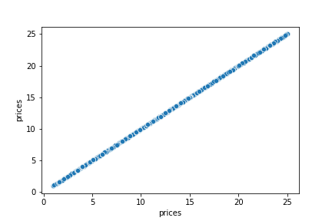

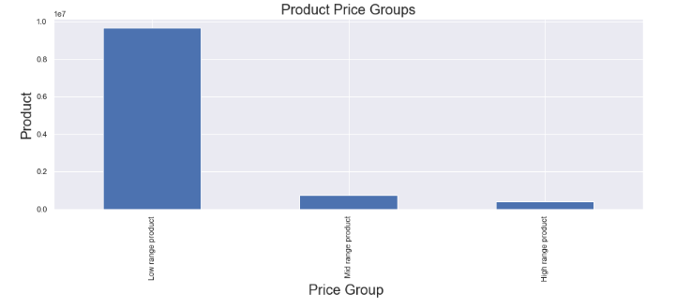
 |  |  |  |  |  |  |  |  |  |  |  |  |  |  |  |  |  |  | price_range_loc
 |  |  |  |  |  |  |  |  |  |  |  |  |  |  |  | Low range product |  |  | 9674840
 |  |  |  |  |  |  |  |  |  |  |  |  |  |  |  | Mid range product |  |  | 727204
 |  |  |  |  |  |  |  |  |  |  |  |  |  |  |  | High range product |  |  | 397953

4 | Are there certain types of products that are more popular than others? The marketing and sales teams want to know which departments have the highest frequency of orders.
 | Based on order data, coupled with the 'data dictionary' which provides us with department names, we observe that the departments with the highest orders are "produce"; "dairy/eggs" and "snacks"

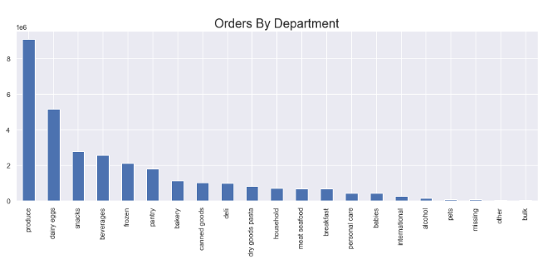

 |  |  |  |  |  |  |  |  | department
 |  |  |  |  |  |  |  | 1 | produce | 9079273 | 12 | meat seafood | 674781
 |  |  |  |  |  |  |  | 2 | dairy eggs | 5177182 | 13 | breakfast | 670850
 |  |  |  |  |  |  |  | 3 | snacks | 2766406 | 14 | personal care | 424306
 |  |  |  |  |  |  |  | 4 | beverages | 2571901 | 15 | babies | 410392
 |  |  |  |  |  |  |  | 5 | frozen | 2121731 | 16 | international | 255991
 |  |  |  |  |  |  |  | 6 | pantry | 1782705 | 17 | alcohol | 144627
 |  |  |  |  |  |  |  | 7 | bakery | 1120828 | 18 | pets | 93060
 |  |  |  |  |  |  |  | 8 | canned goods | 1012074 | 19 | missing | 64768
 |  |  |  |  |  |  |  | 9 | deli | 1003834 | 20 | other | 34411
 |  |  |  |  |  |  |  | 10 | dry goods pasta | 822136 | 21 | bulk | 33451
 |  |  |  |  |  |  |  | 11 | household | 699857

5 | Are there different types of customers in their system; how their ordering behaviors differ?
 | While the overall data allows for general data analysis; we merged several dataframes together and found that we were able to develop new categories to essentially define 'customer type' based on their ordering data; in particularly, we created several new groups/customer habits, including: 'Spending amount'; 'Customer ordering frequency'; 'Customer loyalty'; aggregated 'Age Groups', 'Income Groups', 'Dependent Groups' [do they have dependents?], 'New Parent Groups' [do they buy from the "babies" department], and 'Geographic Regions' ,etc. We analyzed several different cross sections (See tables below) and charts for the remaining questions/recommendations.

 |  | Spending Flag |  | Frequency Flag |  |  | Age Group |  |  |  |  |  | Income Group
 | geographic region | Big spender | Low spender | Frequent Customer | Non-Frequent Customer | Regular-Frequency Customer | 18-24 years | 25-34 years | 35-44 years | 45-54 years | 55-64 years | 65+ years | High | Low | Middle | Upper Middle | Very High
 | Midwest | 148678 | 7112835 | 4935393 | 690030 | 1636090 | 791626 | 1120247 | 1159115 | 1158154 | 1128325 | 1904046 | 853402 | 572646 | 5348796 | 422576 | 64093
 | Northeast | 103120 | 5361565 | 3740982 | 496911 | 1226792 | 602790 | 865285 | 814192 | 872306 | 825305 | 1484807 | 637624 | 446168 | 4015280 | 325507 | 40106
 | South | 199339 | 10111800 | 7073789 | 968006 | 2269344 | 1165136 | 1603322 | 1639254 | 1587874 | 1607092 | 2708461 | 1207014 | 854810 | 7609946 | 555923 | 83446
 | West | 152288 | 7774939 | 5454312 | 740028 | 1732887 | 855642 | 1238247 | 1224113 | 1269230 | 1241765 | 2098230 | 943093 | 645159 | 5831004 | 441474 | 66497

 |  | Dependent Group |  | New Parent Group |  | Ordering Time Group
 | geographic region | has dependents | no dependents | new parent | not new parent | Afternoon | Early Birds | Evening | Morning | Night Owls
 | Midwest | 5438697 | 1822816 | 2303281 | 4958232 | 2936875 | 297755 | 1519185 | 2173207 | 334491
 | Northeast | 4110203 | 1354482 | 1749079 | 3715606 | 2219998 | 226832 | 1125535 | 1633884 | 258436
 | South | 7729206 | 2581933 | 3270454 | 7040685 | 4161531 | 430788 | 2141867 | 3104940 | 472013
 | West | 5946777 | 1980450 | 2487439 | 5439788 | 3234217 | 324032 | 1634840 | 2375314 | 358824

 | Departments
 | geographic region | alcohol | babies | bakery | beverages | breakfast | bulk | canned goods | dairy eggs | deli | dry goods pasta | frozen | household | international | meat seafood | missing | other | pantry | personal care | pets | produce | snacks
 | Midwest | 34043 | 95741 | 261753 | 598979 | 156155 | 7929 | 237459 | 1212490 | 234464 | 193463 | 498225 | 166992 | 60666 | 158260 | 15563 | 7983 | 420334 | 100398 | 21358 | 2134115 | 645143
 | Northeast | 25017 | 72712 | 199300 | 462929 | 117904 | 5599 | 176936 | 914616 | 178398 | 143817 | 370436 | 124604 | 44678 | 118571 | 11512 | 6268 | 312731 | 74765 | 17734 | 1593004 | 493154
 | South | 48813 | 139511 | 371620 | 859419 | 223172 | 11180 | 337458 | 1723016 | 333620 | 272813 | 709906 | 230061 | 84649 | 224120 | 21787 | 11579 | 591754 | 142496 | 29909 | 3027476 | 916780
 | West | 36754 | 102428 | 288155 | 650574 | 173619 | 8743 | 260221 | 1327060 | 257352 | 212043 | 543164 | 178200 | 65998 | 173830 | 15906 | 8581 | 457886 | 106647 | 24059 | 2324678 | 711329

 | Departments
 | income group | alcohol | babies | bakery | beverages | breakfast | bulk | canned goods | dairy eggs | deli | dry goods pasta | frozen | household | international | meat seafood | missing | other | pantry | personal care | pets | produce | snacks
 | High | 17940 | 50897 | 135840 | 288718 | 76893 | 3644 | 123325 | 614942 | 118585 | 99467 | 256582 | 81154 | 30787 | 85363 | 7938 | 4083 | 216061 | 49494 | 11108 | 1085459 | 282853
 | Low | 13462 | 21874 | 78253 | 292158 | 69606 | 3419 | 57774 | 373086 | 80124 | 47320 | 161032 | 65299 | 15908 | 23453 | 4956 | 2969 | 122761 | 35487 | 6851 | 608793 | 434198
 | Middle | 99491 | 310367 | 829586 | 1829586 | 481759 | 24549 | 760454 | 3846968 | 740406 | 620054 | 1564705 | 503510 | 192212 | 518744 | 47942 | 25019 | 1324941 | 311386 | 67821 | 6811954 | 1893572
 | Upper Middle | 7607 | 25150 | 64545 | 136778 | 36063 | 1812 | 61432 | 297879 | 57411 | 48412 | 119560 | 38368 | 15047 | 41062 | 3615 | 1869 | 103066 | 23902 | 5397 | 523674 | 132831
 | Very High | 6127 | 2104 | 12604 | 24661 | 6529 | 27 | 9089 | 44307 | 7308 | 6883 | 19852 | 11526 | 2037 | 6159 | 317 | 471 | 15876 | 4037 | 1883 | 49393 | 22952

6 | What’s the distribution among users in regards to their brand loyalty (i.e., how often do they return to Instacart)?
 | The charts shows the distribution of loyal customers based on number of orders, using the 'Customer loyalty' grouping developed based on number of orders, using the following parameters: 'Loyal customer': max_order > 40; 'Regular customer': 10 <max_order <= 40; 'New customer': max_order =< 10. These groupings revealed that regular (more than 10 , less than 40 orders) over half of the population.

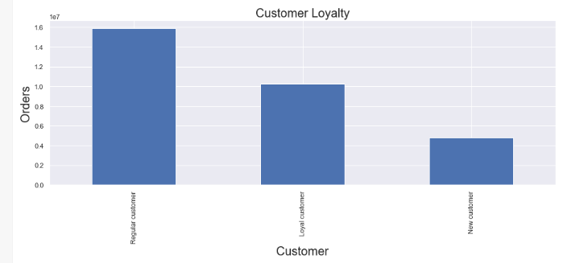
 |  |  |  |  |  |  |  |  |  |  |  |  | loyalty_flag
 |  |  |  |  |  |  |  |  |  |  |  |  | Regular customer |  | 15876776
 |  |  |  |  |  |  |  |  |  |  |  |  | Loyal customer |  | 10284093
 |  |  |  |  |  |  |  |  |  |  |  |  | New customer |  | 4803695
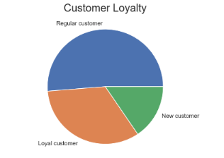

7 | Are there differences in ordering habits based on a customer’s loyalty status?
 | Using the 'crosstab' function in python, we can compare 'Customer loyalty' against other types of data for example, we can examine purchases made across different grocery departments to see what the loyalty groups are buying; we can also do more detailed analysis, for example, comparing 'Customer loyalty' [how many orders] versus 'Custom frequency' [how many days pass in between orders] to identify more select groups, but other examples as well.

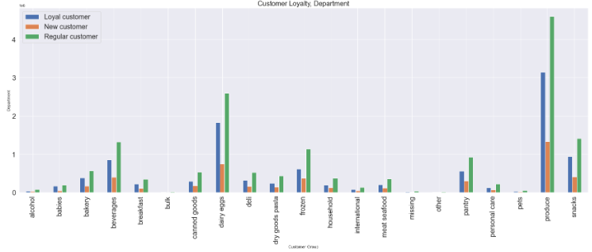
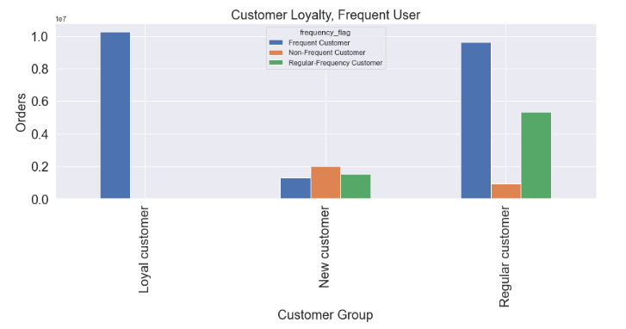
 |  |  |  |  |  |  |  |  |  |  | loyalty_flag |  | Frequent Customer | Non-Frequent Customer | Regular-Frequency Customer
 |  |  |  |  |  |  |  |  |  |  | Loyal customer |  | 10279960 | 0 | 4133
 |  |  |  |  |  |  |  |  |  |  | New customer |  | 1293294 | 1983500 | 1526901
 |  |  |  |  |  |  |  |  |  |  | Regular customer |  | 9631222 | 911475 | 5334079

8 | Are there differences in ordering habits based on a customer’s region?
 | We aggregated customers' locations, using 'state' data including D.C. [51 'states' total], into four different geographic locations: Northeast [9], Midwest [12], South [17], and West [13]; While the South appears to have the most orders, it is also because it represents the most states; however, having these 'geographic region' groups we can analyze different customer habits, including 'Customer loyalty'; 'Customer frequency'; and 'Customer spending' to identify high level similarities and difference between customers based on their location.

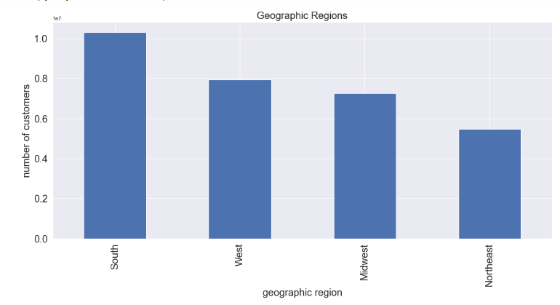
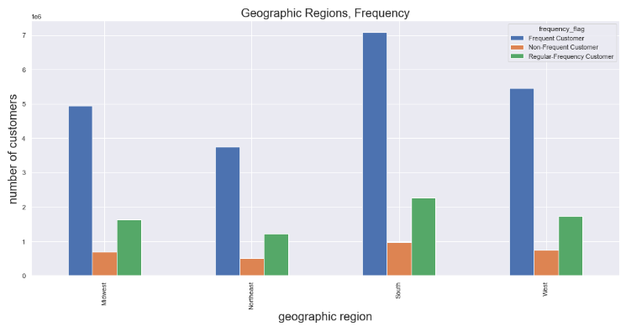

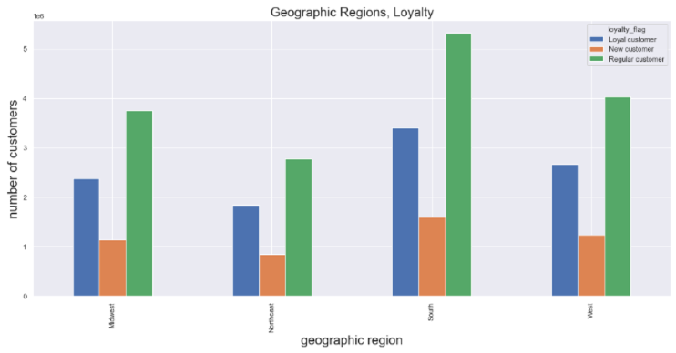
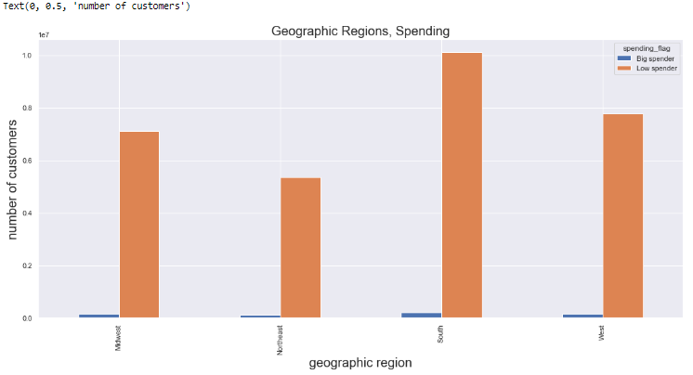

9 | Is there a connection between age and family status in terms of ordering habits?
 | Based on the line chart below that plots age versus number_of_dependents; the fluctuations of this chart suggests that there is a low relationship between these two factors in terms of a connection with respect to ordering habits and would not be worth exploring further at this time.
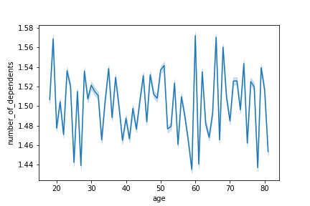

10 | What different classifications does the demographic information suggest? Age? Income? Certain types of goods? Family status?
 | We can understand a lot about demographic information based on both tables and charts. Please note: similar 'geographic locations' certain demographic groups are not distributed in buckets of equal value; for example, income_groups were based paraments from the US Census Bureau, so we always need to be mindful about how we chose to 'group' customers. Nevertheless, we observe the following: - Income status: Individuals that fall into the 'middle income' group [middle: $45000 =< income < $140000] represents the largest group; Drilling deeper in the income category we observe that individuals with an income 100,000 make up a large amount of this customer base. - Dependent status: We see that customers with dependents make up about 3/4 of our customer bases [however, we need to be mindful of the limitations of data -- for example, a married couple may both have Instacart accounts which could skew the data/double-counting dependents. - New parent status: While dependents can come in different ages [such as '18 and under' for children and perhaps '65 and older' for older individuals who may be taken care of my a family member], we can drill to more specific details and identify which customers new parents based on their purchase of products that fall within the "babies" department category, which we have done and see that about 1/3 of customers have purchase "babies" products and are most likely new parents. - Time order placed: This grouping classifies when customers tend to place their Instacart orders divided into 5 different groups, that we could use to target and further identify what products they are buying in these time range.

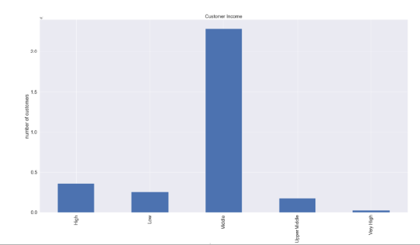
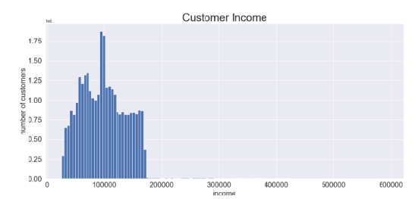

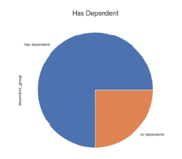
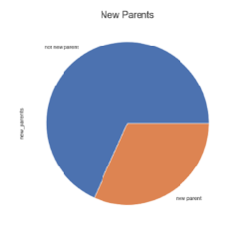
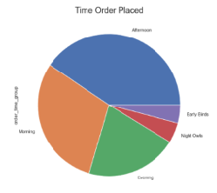

11 | What differences can you find in ordering habits of different customer profiles?
 | We can use different customer profiles/groups to make different observations; for example; in the charts we can look at different groups, such as 'dependents', 'income' and 'order time' and cross reference their orders with the type of products they purchase using grocery "department" data to understand what certain customer types are buying from a product/department level, to understand different spending behavior based their orders. While more granular searches and analysis can be run, the volume of the data has creating some crunching/processing issues; but it is possible to find a broad assortment of ordering habits using the crosstab feature.

7. Exercise Visualizations
 |  |  | Title page

Visualizations

In this tab you should include all the visualtions from Exercises 4.9 and 4.10, alongside the questions from the project brief that they answer. Include any commentary on the relationship between different variables.
NOTE: THESE CHARTS ARE DERIVED FROM EXERCISES 4.9 and 4.10; This achievement requests that we put all slide into this spreadsheet, but in an actual presentation, I would more be more likely just use select charts and provide information to address the questions/recommendations asked in the brief.

EXERCISE 4.9 CHARTS |  | Achievement 4.10 CHARTS

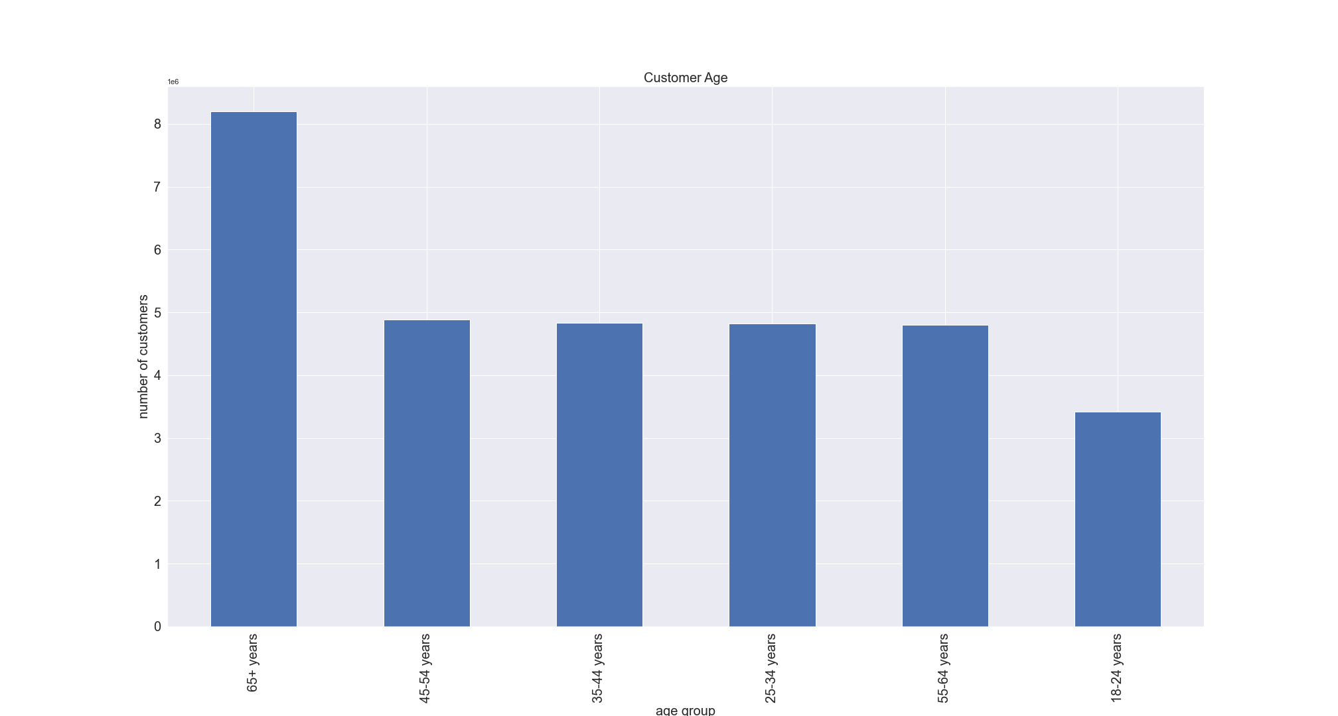
 |  |  |  | This chart shows a distribution of customer ages; its relatively consistent for ages between 25 - 64; and also I hight amount of customers over 65 using the following parameters: 18-24 years: age <= 24 25 - 35 years: 25 =< age < 35 35 - 44 years: 35 =< age < 45 45 - 54 years: 45 =< age < 55 55 - 64 years: 55 =< age < 65 65+ years: 65 =< age
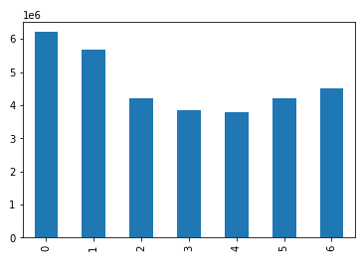

 | This chart shows that the busiest days of the week are Monday and Tuesday; the least busy are Thursday and Friday

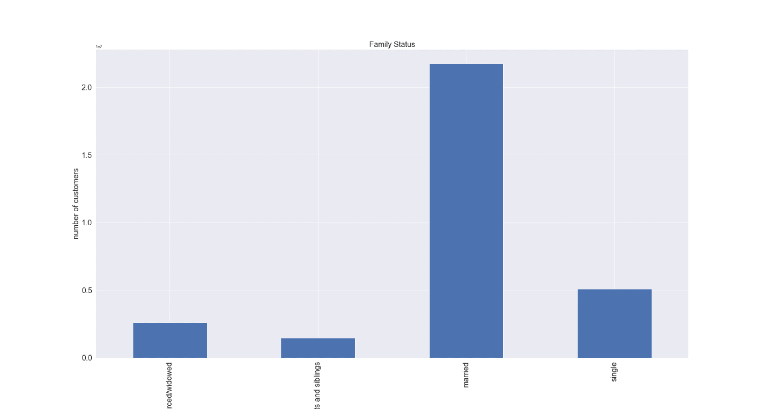
 |  |  |  | This chart shows a distribution of customer family status; most customers tend to fall into the "married status" significantly of "single", "divorced/widowed"and "live with family/siblings"
 | This chart was re-run after identifying unusually high priced outliers (items priced: 99,999) through exploratory analysis, which revealed these bad data points. New data shows more reasonable range of product prices.



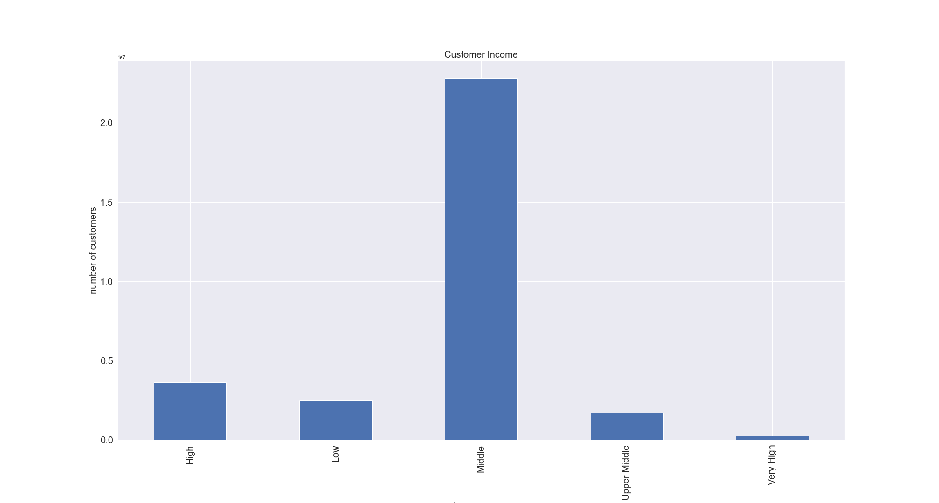
 |  |  |  | This chart shows a distribution of customer income based on the following brackets/parameters: very low: income < 20000 low : 20000 =< income < 45000 midle: 45000 =< income < 140000 upper middle: 140000 =< income < 150000 high: 150000 =< income < 200000 very high: 200000 =< income
 | This histogram examines the distribution of prices of products; the heavy weighting of prices between 0 and 15, and the few more expensive items 15 to 25 seems reasonable.

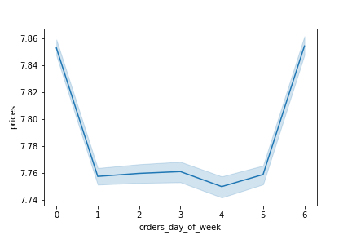
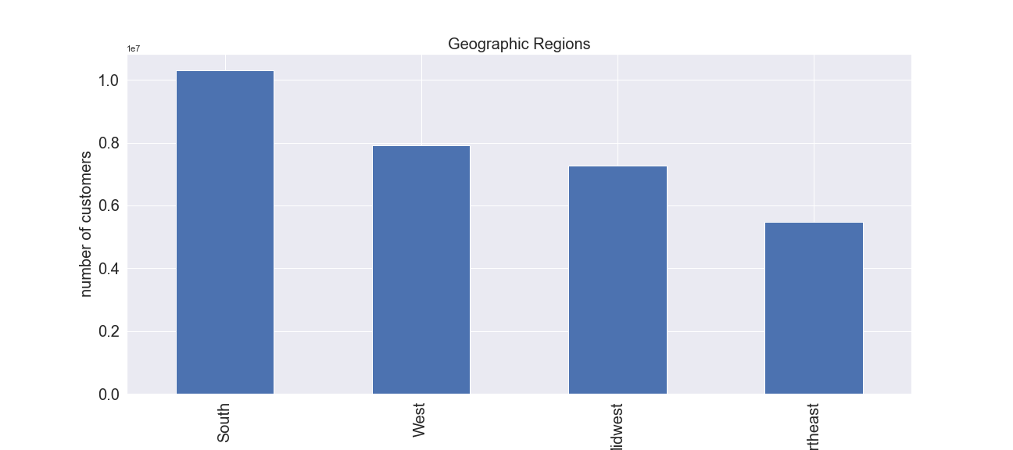
 |  |  |  | This chart shows a breakdown of number of customers based on their location using the following geographic regions: West: Arizona, Colorado, Idaho, Montana, Nevada, New Mexico, Utah, WyomingAlaska, California, Hawaii, Oregon, Washington Northeast: Connecticut, Maine, Massachusetts, New Hampshire, Rhode Island, Vermont, New Jersey, New York, and Pennsylvania Midwest: Illinois, Indiana, Michigan, Ohio, Wisconsin, Iowa, Kansas, Minnesota, Missouri, Nebraska, North Dakota, and South Dakota South: Delaware; Florida; Georgia; Maryland; North Carolina; South Carolina; Virginia; Washington, D.C., West Virginia, Alabama, Kentucky, Mississippi, Tennessee, Arkansas, Louisiana, Oklahoma, and Texas Note: While the South has the highest volume of customers, this region includes the most states [17 total].
 | This chart compares prices (when high prices items ordered) based on day of the week [PLEASE NOTE: this charts is based on the instructions provided in Ex. 4.9]

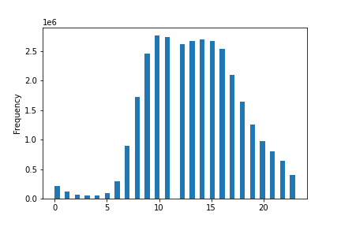
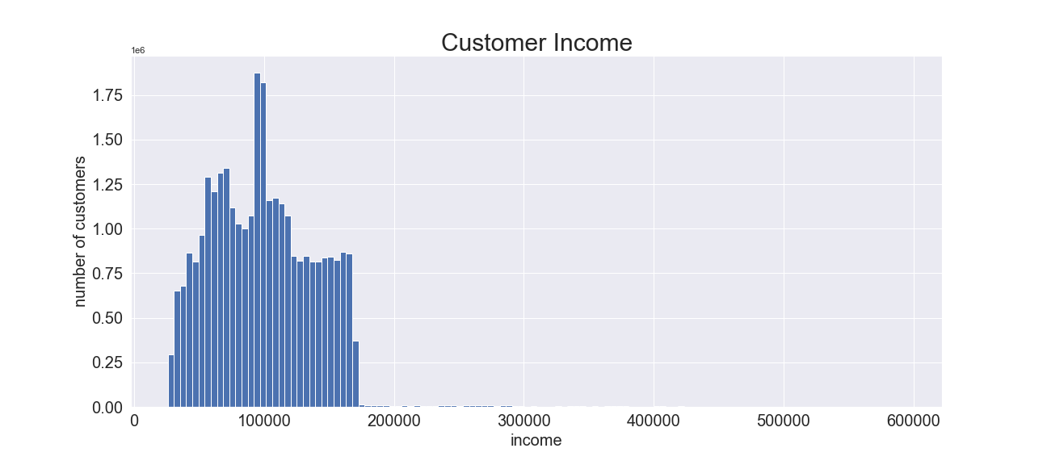
 |  |  |  | This histogram demonstrates the distribution of customer based on income, with ~$100,000 representing the most common income range of customers
 | This chart demonistrate frequency of orders based on hour of the day; there tend to be more order activity between 9 and 6 pm.

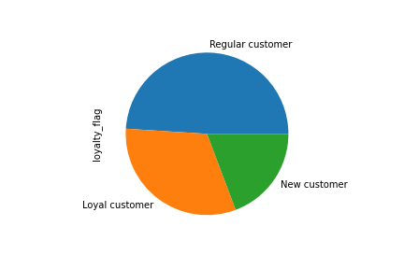
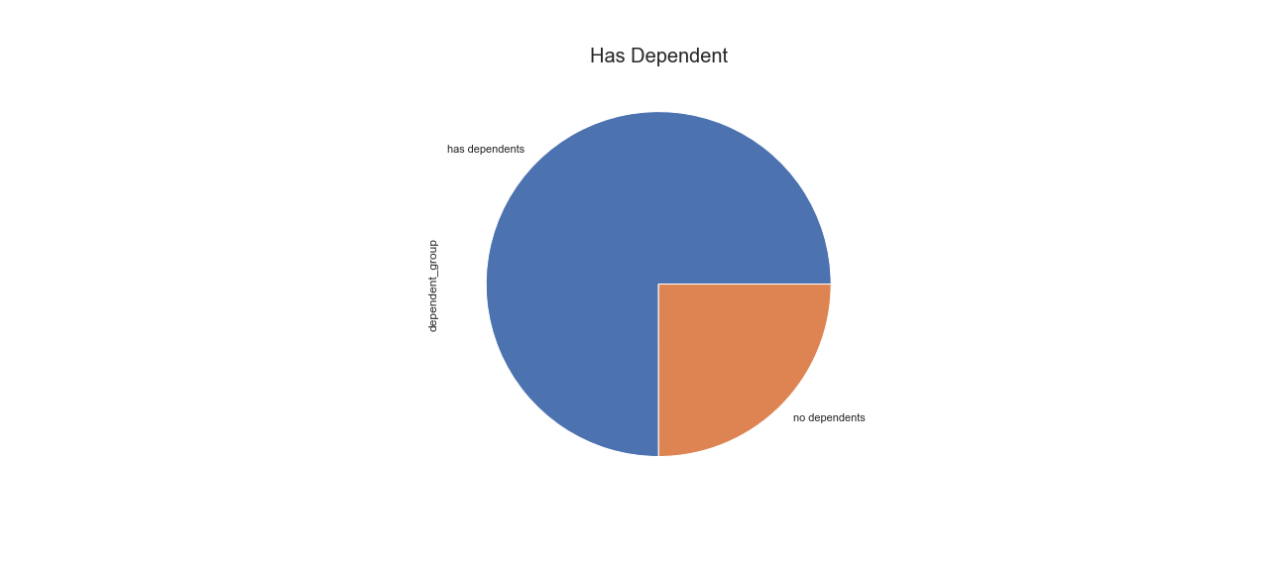
 | The charts shows the distribution of loyal customers based on number of orders, using the following parameters: loyal customer: max_order > 40 regular customer: 10 <max_order <= 40 new customer: max_order =< 10 |  |  | This chart shows the proportion of customers that have dependents versus ccustomers with no dependents


 | This chart demonstrates customer spend based on hour of the day, please note: this diagram was run in Exercise 4.9 prior to the removal of customers deemed to have low activity and were removed from the final set based on the following parameters: low activity: max_order < 5 regular activity: max_order >= 5 |  |  | This chart demonstrates the proportion of customer who are considered new parents based on their purchase of products that fall within the "babies" department.

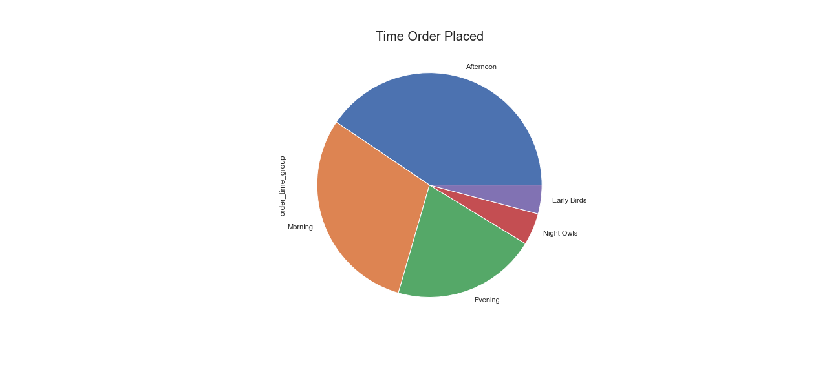
 |  |  |  | This chart shows the general division of what time of day customers tend to place orders using the following parameters: early birds: hours = 4, 5, 6, 7 morning: 8, 9, 10, 11 afternoon: 12, 13, 14, 15, 16 evening: 17, 18, 19, 20, 21 night owls: 22, 23, 0, 1, 2, 3
 | This chart examines the relationship between age and family situation (based on number od dependents); the flucutations of this chart suggests that there are little actionable connections between these two factors.



 | This chart demonstrates that on average; consumer income/spending power appears to increase around age 40.

